TOTAL
Alkalmazott szűrők: TRANSPORT_MODE egyezik ezzel: Sea Reference type egyezik ezzel: Highlighted references only „QUERY_List_Carrier_name_EDIQ_Act”[LSP] egyezik ezzel: Maersk Date ekkori vagy későbbi a következőnél: 2026.04.13. 0:00:00 és dátuma korábbi, mint 2026.04.20. 0:00:00 SHIPMENT_CANCELLED egyezik ezzel: (Üres) Previous and next 1 year egyezik ezzel: Y KPI_Category nem egyezik ezzel: Mapping
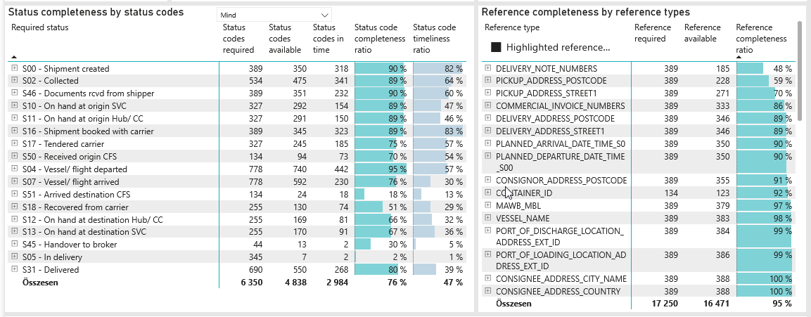
Required status | Status type | „QUERY_List_Carrier_EDIQ_Act”[LSP] | Status codes required | Status codes available | Status codes in time | Status code completeness ratio | Status code timeliness ratio
S00 - Shipment created | Actual | Maersk | 389 | 350 | 318 | 90 % | 82 %
S02 - Collected | Estimated | Maersk | 267 | 253 | 230 | 95 % | 86 %
S02 - Collected | Actual | Maersk | 267 | 222 | 111 | 83 % | 42 %
S46 - Documents rcvd from shipper | Actual | Maersk | 389 | 351 | 232 | 90 % | 60 %
S10 - On hand at origin SVC | Actual | Maersk | 327 | 292 | 154 | 89 % | 47 %
S11 - On hand at origin Hub/ CC | Actual | Maersk | 327 | 291 | 150 | 89 % | 46 %
S16 - Shipment booked with carrier | Actual | Maersk | 389 | 345 | 323 | 89 % | 83 %
S17 - Tendered carrier | Actual | Maersk | 327 | 245 | 185 | 75 % | 57 %
S50 - Received origin CFS | Actual | Maersk | 134 | 94 | 73 | 70 % | 54 %
S04 - Vessel/ flight departed | Estimated | Maersk | 389 | 383 | 310 | 98 % | 80 %
S04 - Vessel/ flight departed | Actual | Maersk | 389 | 357 | 132 | 92 % | 34 %
S07 - Vessel/ flight arrived | Estimated | Maersk | 389 | 380 | 161 | 98 % | 41 %
S07 - Vessel/ flight arrived | Actual | Maersk | 389 | 212 | 69 | 54 % | 18 %
S51 - Arrived destination CFS | Actual | Maersk | 134 | 24 | 18 | 18 % | 13 %
S18 - Recovered from carrier | Actual | Maersk | 255 | 130 | 74 | 51 % | 29 %
S12 - On hand at destination Hub/ CC | Actual | Maersk | 255 | 169 | 81 | 66 % | 32 %
S13 - On hand at destination SVC | Actual | Maersk | 255 | 170 | 91 | 67 % | 36 %
S45 - Handover to broker | Actual | Maersk | 44 | 13 | 2 | 30 % | 5 %
S05 - In delivery | Actual | Maersk | 345 | 7 | 2 | 2 % | 1 %
S31 - Delivered | Estimated | Maersk | 345 | 342 | 265 | 99 % | 77 %
S31 - Delivered | Actual | Maersk | 345 | 208 | 3 | 60 % | 1 %

FCL
Alkalmazott szűrők: TRANSPORT_MODE egyezik ezzel: Sea TRANSPORT_SERVICE_PRIORITY egyezik ezzel: FCL/FCL/FCL Reference type egyezik ezzel: Highlighted references only „QUERY_List_Carrier_name_EDIQ_Act”[LSP] egyezik ezzel: Maersk Date ekkori vagy későbbi a következőnél: 2026.04.13. 0:00:00 és dátuma korábbi, mint 2026.04.20. 0:00:00 SHIPMENT_CANCELLED egyezik ezzel: (Üres) Previous and next 1 year egyezik ezzel: Y KPI_Category nem egyezik ezzel: Mapping
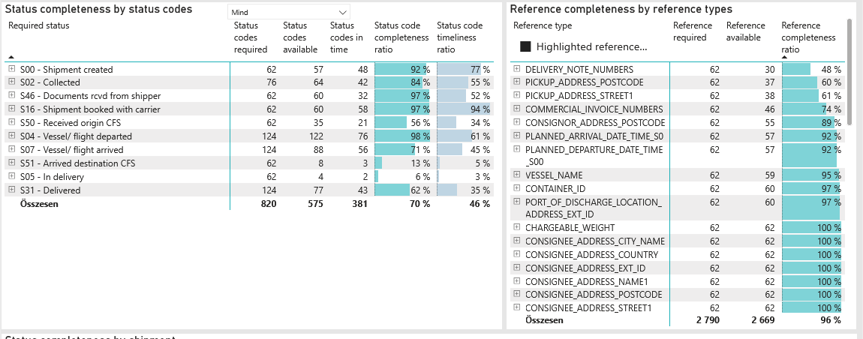
Required status | Status type | „QUERY_List_Carrier_EDIQ_Act”[LSP] | Status codes required | Status codes available | Status codes in time | Status code completeness ratio | Status code timeliness ratio
S00 - Shipment created | Actual | Maersk | 62 | 57 | 48 | 92 % | 77 %
S02 - Collected | Estimated | Maersk | 38 | 38 | 32 | 100 % | 84 %
S02 - Collected | Actual | Maersk | 38 | 26 | 10 | 68 % | 26 %
S46 - Documents rcvd from shipper | Actual | Maersk | 62 | 60 | 32 | 97 % | 52 %
S16 - Shipment booked with carrier | Actual | Maersk | 62 | 60 | 58 | 97 % | 94 %
S50 - Received origin CFS | Actual | Maersk | 62 | 35 | 21 | 56 % | 34 %
S04 - Vessel/ flight departed | Estimated | Maersk | 62 | 62 | 59 | 100 % | 95 %
S04 - Vessel/ flight departed | Actual | Maersk | 62 | 60 | 17 | 97 % | 27 %
S07 - Vessel/ flight arrived | Estimated | Maersk | 62 | 62 | 44 | 100 % | 71 %
S07 - Vessel/ flight arrived | Actual | Maersk | 62 | 26 | 12 | 42 % | 19 %
S51 - Arrived destination CFS | Actual | Maersk | 62 | 8 | 3 | 13 % | 5 %
S05 - In delivery | Actual | Maersk | 62 | 4 | 2 | 6 % | 3 %
S31 - Delivered | Estimated | Maersk | 62 | 59 | 42 | 95 % | 68 %
S31 - Delivered | Actual | Maersk | 62 | 18 | 1 | 29 % | 2 %

BCO
Alkalmazott szűrők: TRANSPORT_MODE egyezik ezzel: Sea TRANSPORT_SERVICE_PRIORITY egyezik ezzel: LCL/FCL/FCL Reference type egyezik ezzel: Highlighted references only „QUERY_List_Carrier_name_EDIQ_Act”[LSP] egyezik ezzel: Maersk Date ekkori vagy későbbi a következőnél: 2026.04.13. 0:00:00 és dátuma korábbi, mint 2026.04.20. 0:00:00 SHIPMENT_CANCELLED egyezik ezzel: (Üres) Previous and next 1 year egyezik ezzel: Y KPI_Category nem egyezik ezzel: Mapping

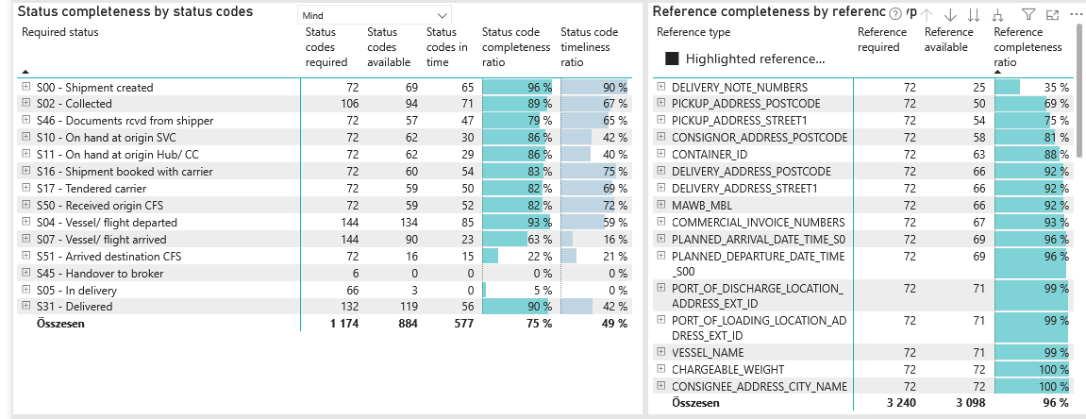
Required status | Status type | „QUERY_List_Carrier_EDIQ_Act”[LSP] | Status codes required | Status codes available | Status codes in time | Status code completeness ratio | Status code timeliness ratio
S00 - Shipment created | Actual | Maersk | 72 | 69 | 65 | 96 % | 90 %
S02 - Collected | Estimated | Maersk | 53 | 51 | 48 | 96 % | 91 %
S02 - Collected | Actual | Maersk | 53 | 43 | 23 | 81 % | 43 %
S46 - Documents rcvd from shipper | Actual | Maersk | 72 | 57 | 47 | 79 % | 65 %
S10 - On hand at origin SVC | Actual | Maersk | 72 | 62 | 30 | 86 % | 42 %
S11 - On hand at origin Hub/ CC | Actual | Maersk | 72 | 62 | 29 | 86 % | 40 %
S16 - Shipment booked with carrier | Actual | Maersk | 72 | 60 | 54 | 83 % | 75 %
S17 - Tendered carrier | Actual | Maersk | 72 | 59 | 50 | 82 % | 69 %
S50 - Received origin CFS | Actual | Maersk | 72 | 59 | 52 | 82 % | 72 %
S04 - Vessel/ flight departed | Estimated | Maersk | 72 | 71 | 54 | 99 % | 75 %
S04 - Vessel/ flight departed | Actual | Maersk | 72 | 63 | 31 | 88 % | 43 %
S07 - Vessel/ flight arrived | Estimated | Maersk | 72 | 69 | 17 | 96 % | 24 %
S07 - Vessel/ flight arrived | Actual | Maersk | 72 | 21 | 6 | 29 % | 8 %
S51 - Arrived destination CFS | Actual | Maersk | 72 | 16 | 15 | 22 % | 21 %
S45 - Handover to broker | Actual | Maersk | 6 | 0 | 0 | 0 % | 0 %
S05 - In delivery | Actual | Maersk | 66 | 3 | 0 | 5 % | 0 %
S31 - Delivered | Estimated | Maersk | 66 | 66 | 56 | 100 % | 85 %
S31 - Delivered | Actual | Maersk | 66 | 53 | 0 | 80 % | 0 %

LCL
Alkalmazott szűrők: TRANSPORT_MODE egyezik ezzel: Sea TRANSPORT_SERVICE_PRIORITY egyezik ezzel: LCL/LCL/LCL Reference type egyezik ezzel: Highlighted references only „QUERY_List_Carrier_name_EDIQ_Act”[LSP] egyezik ezzel: Maersk Date ekkori vagy későbbi a következőnél: 2026.04.13. 0:00:00 és dátuma korábbi, mint 2026.04.20. 0:00:00 SHIPMENT_CANCELLED egyezik ezzel: (Üres) Previous and next 1 year egyezik ezzel: Y KPI_Category nem egyezik ezzel: Mapping

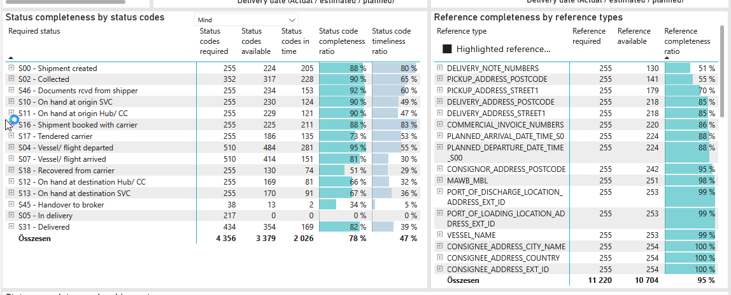
Required status | Status type | „QUERY_List_Carrier_EDIQ_Act”[LSP] | Status codes required | Status codes available | Status codes in time | Status code completeness ratio | Status code timeliness ratio
S00 - Shipment created | Actual | Maersk | 255 | 224 | 205 | 88 % | 80 %
S02 - Collected | Estimated | Maersk | 176 | 164 | 150 | 93 % | 85 %
S02 - Collected | Actual | Maersk | 176 | 153 | 78 | 87 % | 44 %
S46 - Documents rcvd from shipper | Actual | Maersk | 255 | 234 | 153 | 92 % | 60 %
S10 - On hand at origin SVC | Actual | Maersk | 255 | 230 | 124 | 90 % | 49 %
S11 - On hand at origin Hub/ CC | Actual | Maersk | 255 | 229 | 121 | 90 % | 47 %
S16 - Shipment booked with carrier | Actual | Maersk | 255 | 225 | 211 | 88 % | 83 %
S17 - Tendered carrier | Actual | Maersk | 255 | 186 | 135 | 73 % | 53 %
S04 - Vessel/ flight departed | Estimated | Maersk | 255 | 250 | 197 | 98 % | 77 %
S04 - Vessel/ flight departed | Actual | Maersk | 255 | 234 | 84 | 92 % | 33 %
S07 - Vessel/ flight arrived | Estimated | Maersk | 255 | 249 | 100 | 98 % | 39 %
S07 - Vessel/ flight arrived | Actual | Maersk | 255 | 165 | 51 | 65 % | 20 %
S18 - Recovered from carrier | Actual | Maersk | 255 | 130 | 74 | 51 % | 29 %
S12 - On hand at destination Hub/ CC | Actual | Maersk | 255 | 169 | 81 | 66 % | 32 %
S13 - On hand at destination SVC | Actual | Maersk | 255 | 170 | 91 | 67 % | 36 %
S45 - Handover to broker | Actual | Maersk | 38 | 13 | 2 | 34 % | 5 %
S05 - In delivery | Actual | Maersk | 217 | 0 | 0 | 0 % | 0 %
S31 - Delivered | Estimated | Maersk | 217 | 217 | 167 | 100 % | 77 %
S31 - Delivered | Actual | Maersk | 217 | 137 | 2 | 63 % | 1 %

